Sheet1
From / Subject to send email | reference | email setting name | Email subject | email template |  |  | TESTing
Note: FROM email always need to Filled ,not blank - auto add Company Email |  |  |  |  |  | Not develop consider as limitation Add in next development

setup /email |  | Website_Email |  | All E commerce , Pro-catalog, econ -app mail's REPLY TO EMAIL as communication mail
Email footer details email template details |  | company name |  | [Your Company Name]
 |  | change company tell no |  | [Your Contact Number]
 | Catch live domain name From API (ex: estore.web) |  |  | [Website URL]

Contact us / Inquiry Form : email setting

contactus_ | Admin | contactus_email1 change contactus_FromEmail | Inquiry generated – Thank you for contacting us! | Company Logo Dear Team, Inquiry generated – Thank you for contacting us! I hope this message finds you well. Below are the details of a new Inquiry-Some one try to reach you, that requires your attention: Customer Information: Name: [First name]+ [last name] Company name: [company name] Email: [Customer Email] Phone Number: [Customer Phone Number] Message: [Subject] Please ensure the appointment is confirmed and respond to the customer with the details. Thank you for your prompt attention to this matter. Thank you! [Your Company Name] [Your Contact Number] [Website URL] | 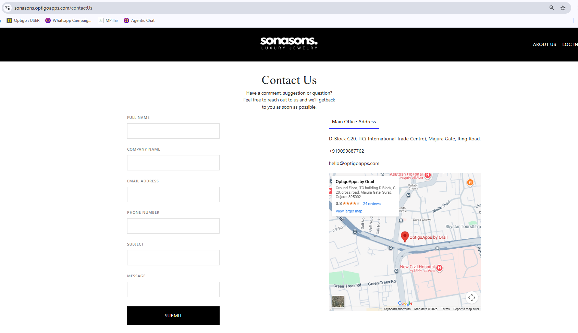 | http://fgstore.web/contactUs | Working
contactus_ | customer | Connected CUSTOMER (ex. website customer ) | Inquiry generated – Thank you for contacting us! | Company Logo Dear {Customer Name}, Inquiry generated – Thank you for contacting us! Below are the details of a new Inquiry for {Company Name} Customer Information: Name: [First name]+ [last name] Company name: [company name] Email: [Customer Email] Phone Number: [Customer Phone Number] Message: [Subject] Thank you! [Your Company Name] [Your Contact Number] [Website URL]

Book an Appointment
 | email : | Book an appointment_From Email | Appointment Request Received! | Company Logo Dear Team, Your Appointment Request Has Been Received! I hope this message finds you well. Below are the details of a new appointment booking that requires your attention: Customer Information: Name: [First name ]+ [last name] Email: [Customer Email] Phone Number: [Customer Phone Number] Message:[ text ] Date of Appointment: [Appointment Date and Time] Please ensure the appointment is confirmed and respond to the customer with the details. Thank you for your prompt attention to this matter. Thank you! [Your Company Name] [Your Contact Number] [Website URL] | 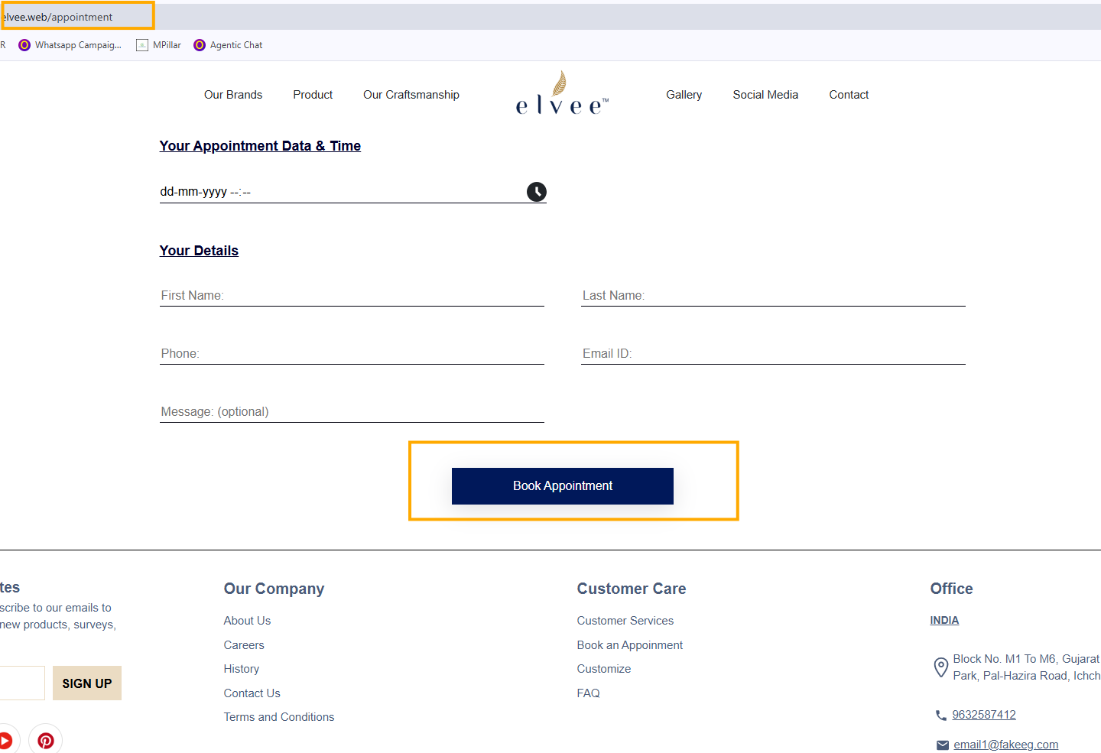
 | Secondary Email: | Book an appointment_Email2
 | to:customer | Connected CUSTOMER (ex. website customer ) | Appointment Request Generated Success Fully! | Company Logo Dear {Customer Name}, Your Appointment Request Has Been Received Below are the details of a new appointment for {Company Name} Customer Information: Name: [First name ]+ [last name] Email: [Customer Email] Phone Number: [Customer Phone Number] Message:[ text ] Date of Appointment: [Appointment Date and Time] Thank you! [Your Company Name] [Your Contact Number] [Website URL]

Bespoke jewellery: email setting
 | email : | BespokeJewllery_From Email | Bespoke Jewellery Inquiry – We’re on It! | Company Logo Dear Team, Bespoke Jewellery Inquiry – We’re on It! We have received a new inquiry regarding bespoke jewelry from a customer. Below are the details of the request: Full Name: [First name] + [last name] Email : [Customer's Email] Phone Number: [Customer's Phone Number] Website URL: [ text ] Message: [text] Attach File: [attachment] Thank you! [Your Company Name] [Your Contact Number] [Website URL] | 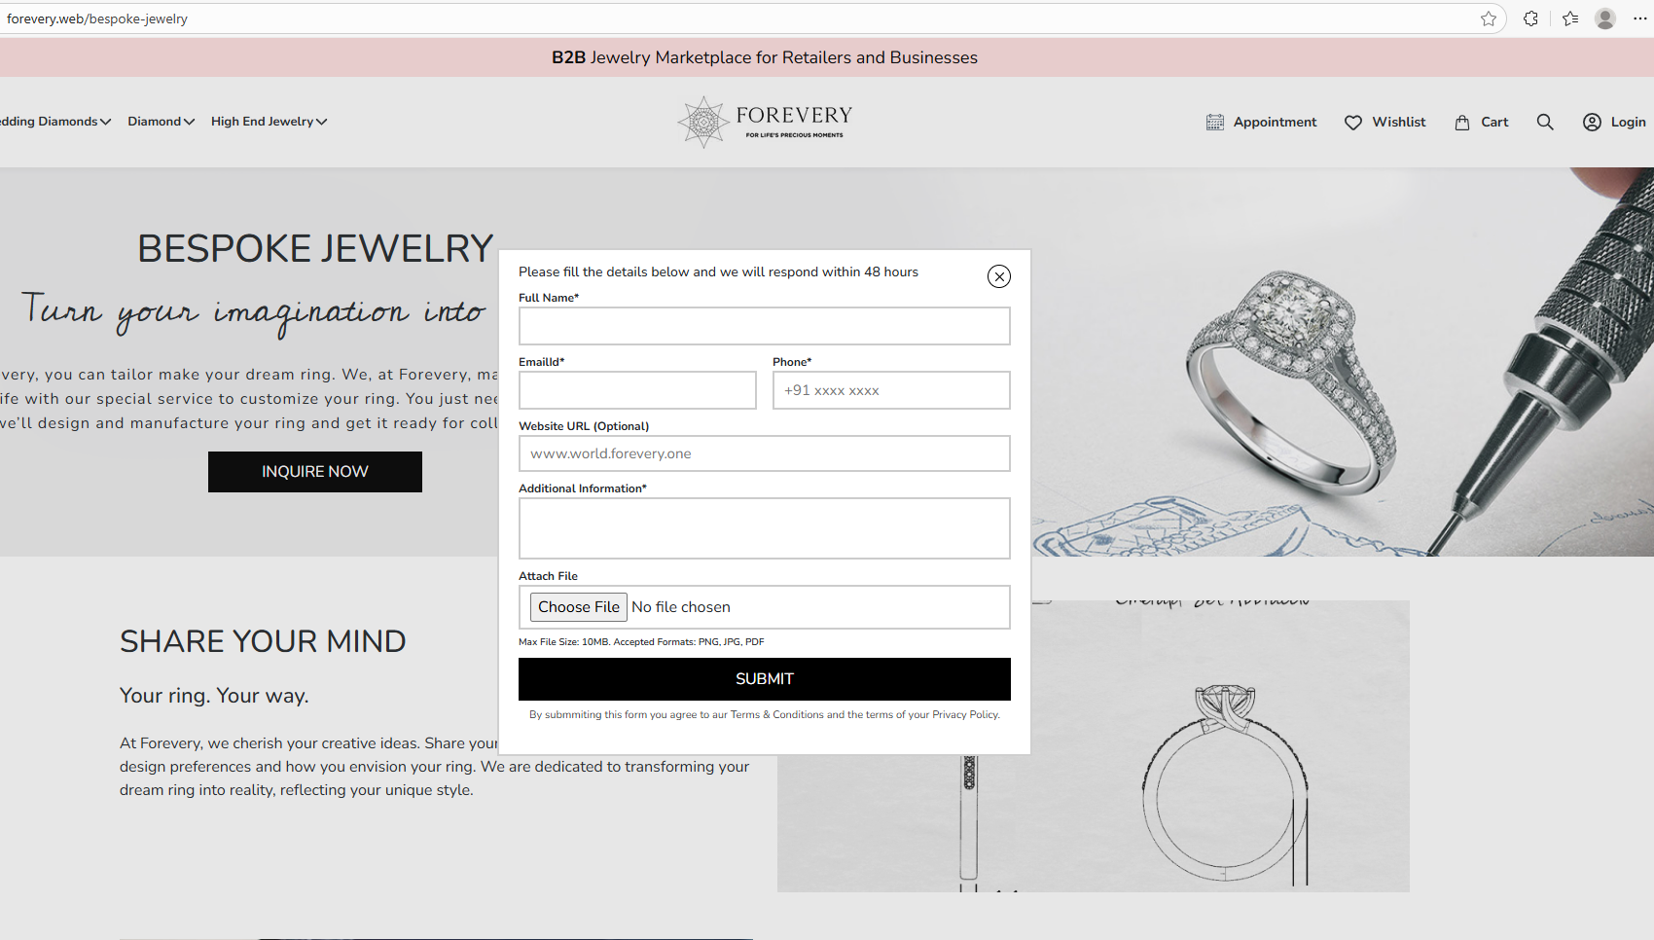

 | Secondary Email: | BespokeJewllery_Email2
 | to: customer email | Connected CUSTOMER (ex. website customer ) | Bespoke Jewellery Inquiry – We’re on It! | Company Logo Dear {Customer Name}, Your Bespoke Jewellery Inquiry – We’re on It! You have successfully generated a new inquiry regarding bespoke jewelry. Below are the details of the request: Below are the details of the request: Full Name: [First name] + [last name] Email : [Customer's Email] Phone Number: [Customer's Phone Number] Website URL: [ text ] Message: [text] Attach File: [attachment] Thank you! [Your Company Name] [Your Contact Number] [Website URL]

E commerce Website mails: email setting
 | email : | Website _From Email (sign up(B2B,B2c,Lead ), forgot password,order,cart expire)
 | Secondary Email: | Website_Email2
 | to: | Connected CUSTOMER (ex. website customer )

website - B2C customer registration | customer email | website - B2C & B2B customer registration | Signing Up completed! Start Exploring Now. | Company Logo Dear [customer name ], Welcome – We’re Excited to Connect! Thank you for registering with us. We’re thrilled to have you on board! Here are your details for confirmation: Name: [First Name] + [last name] Email : [Customer's Email] Phone Number: [Customer's Phone Number] If you have any questions , feel free to reach out to us. Thank you! [Your Company Name] [Your Contact Number] [Website URL] | 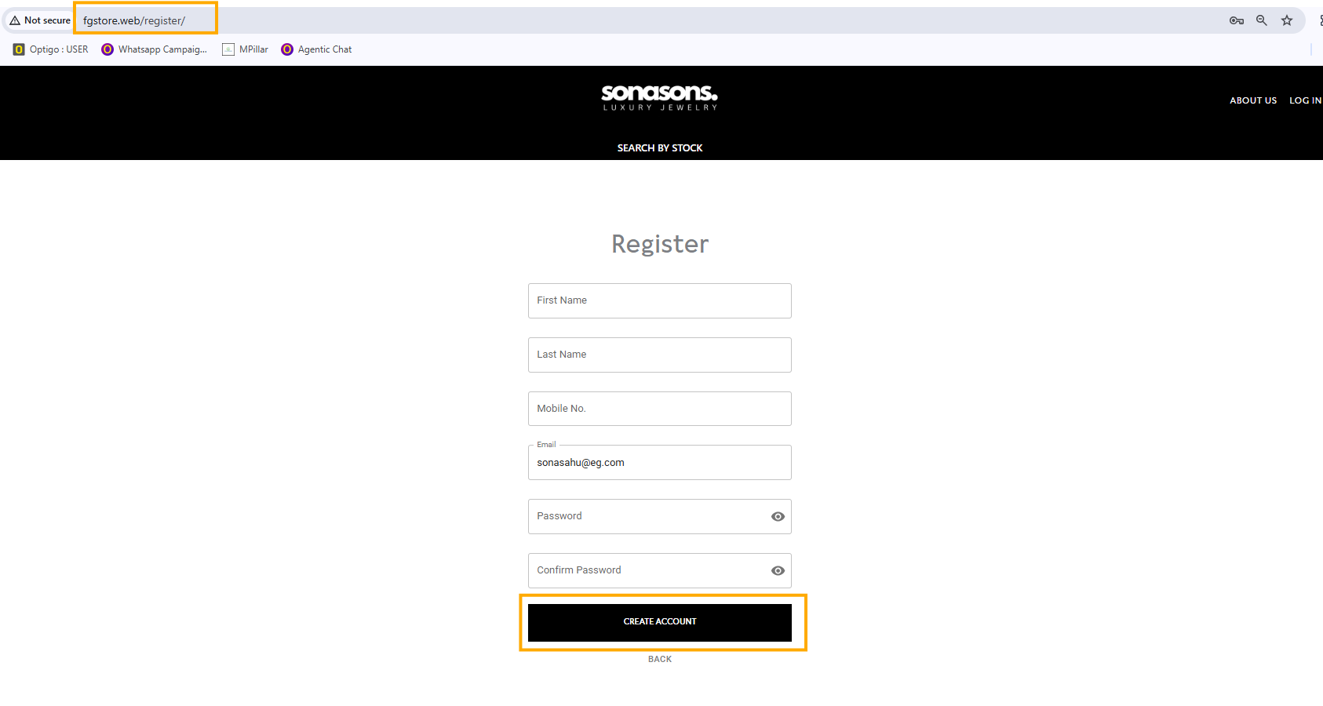 |  | RAJAN: allow registartion otp
website - B2C customer registration | Admin Email | website - B2C & B2B customer registration -ADMIN Template | New Sign Up | Company logo Dear team, I’m pleased to inform you that We have a new customer entry in our system. Please find the details below: Customer Information: Here are your details for confirmation, Name: [First Name] + [last name] Email : [Customer's Email] Phone Number: [Customer's Phone Number] Thank you! [Your Company Name] [Your Contact Number] [Website URL]

B2B -Lead in to customer | customer email | B2B -Lead in to customer -customer template | lead registration is confirmed ! | Company Logo Welcome ! Your Registration is Confirmed. Dear [Customer's Name], Congratulations and welcome to the community! We're thrilled to have you on board. Your recent registration marks the beginning of an exciting journey with us. We're committed to providing you with an exceptional experience, and we can't wait to embark on this journey together. Stay tuned for exciting updates, and remember, your satisfaction is our priority. Thank you! [Your Company Name] [Your Contact Number] [Website URL] | This email will Fire from backend, while lead customer converted in to customer | 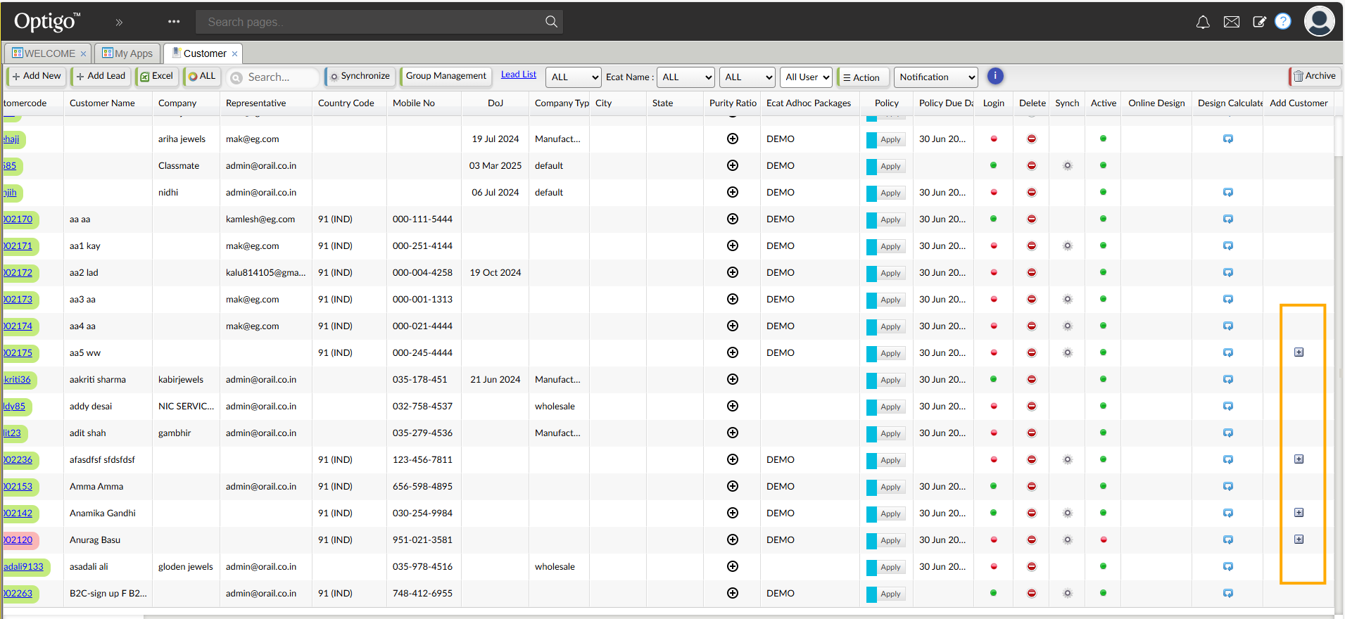

B2B -Lead in to customer -ADMIN template | Admin Email | B2B -Lead in to customer -ADMIN template | lead registration is confirmed ! | Company logo Dear team, I’m pleased to inform you that we have successfully converted a lead into a customer. Please find the details below: Customer Information: Name: [First Name] + [last name] Email : [Customer's Email] Phone Number: [Customer's Phone Number] Thank you! [Your Company Name] [Your Contact Number] [Website URL] | This email will Fire from backend, while lead customer converted in to customer

website - B2B & B2C Forgot password |  | website - Forgot password
website - B2B & B2C forgot password | customer email | website - Forgot password | Forgot Your Password | Company Logo Dear [Customer Name], We received a request to reset your password . Click the link below to set a new password: Reset Password: [Insert Reset Link] If you didn't request this, you can safely ignore this email. Your account remains secure. Thank you! [Your Company Name] [Your Contact Number] [Website URL] | 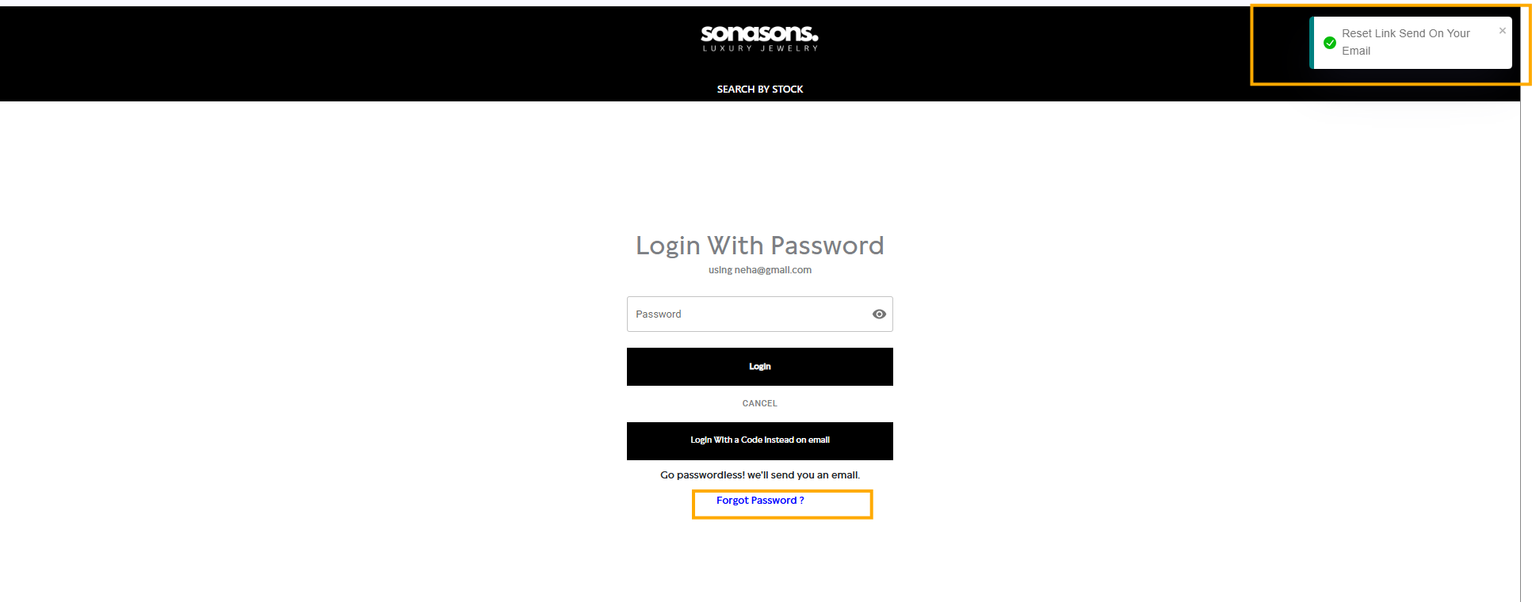 |  | Working Need correction from RAJAN on reset link

Order confirmed Email | Admin Email | Admin-order received | New order Received (order number) | Company Logo Dear Team, {Ecom name}-We have received a new Order request. Below are the details of the request: Name: [First Name] + [last name] Email : [Customer's Email] Phone Number: [Customer's Phone Number] Order No:{A9990} worth amount {currency symbol} +{ Total amount} Address: {Shipping Address} City :{city} State: {state} Country : {country} Click Here to view details : {WEBSITER URL} Thank you! [Your Company Name] [Your Contact Number] [Website URL] | Order mail will send to website_email(webconfig) |  | RAJAN: allow payment gateway(COD)
 | customer email | Customer -order confirmed | Order Has Been Placed Successfully! | Company Logo Dear [Customer Name], {Ecom name}- Your Order Has Been Placed Successfully! Below are the details of the request: Thank you for your order request. We have received the following details and will get in touch with you soon. Name: [First Name] + [last name] Email : [Customer's Email] Phone Number: [Customer's Phone Number] Order No:{A9990} worth amount {currency symbol} +{ Total amount} Address: {Shipping Address} City :{city} State: {state} Country : {country} Click Here to view details : {WEBSITER URL} Thank you for shopping with us! Thank you! [Your Company Name] [Your Contact Number] [Website URL] | 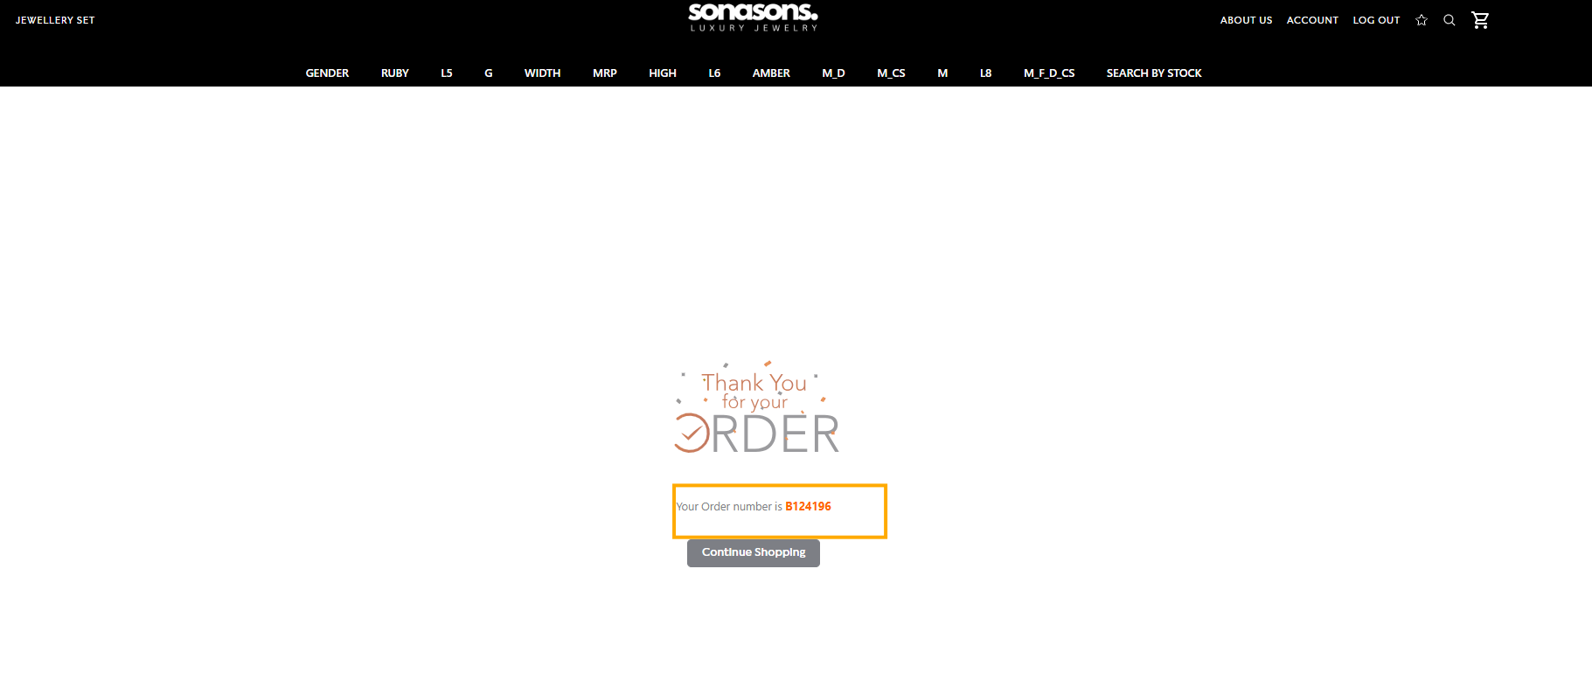 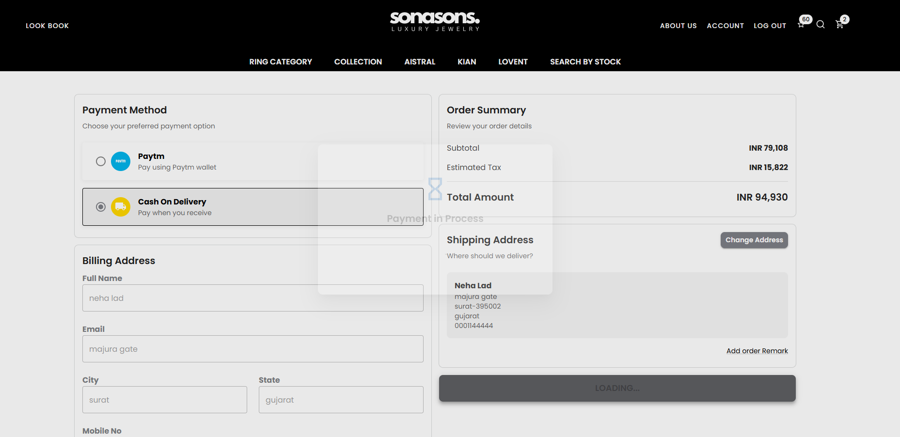
OTP - login
Email | Customer new register | OTP- new credential email | {company name}Registration- OTP Verification | Company Logo Dear [entered email id ], {Company name }: OTP Verification Your account registration verification code is **95.Do not share with anyone else. By entering this OTP, you accept our T&C and Privacy Policy. This is an automated email, please don't reply. Thank you! [Your Company Name] [Your Contact Number] [Website URL] | 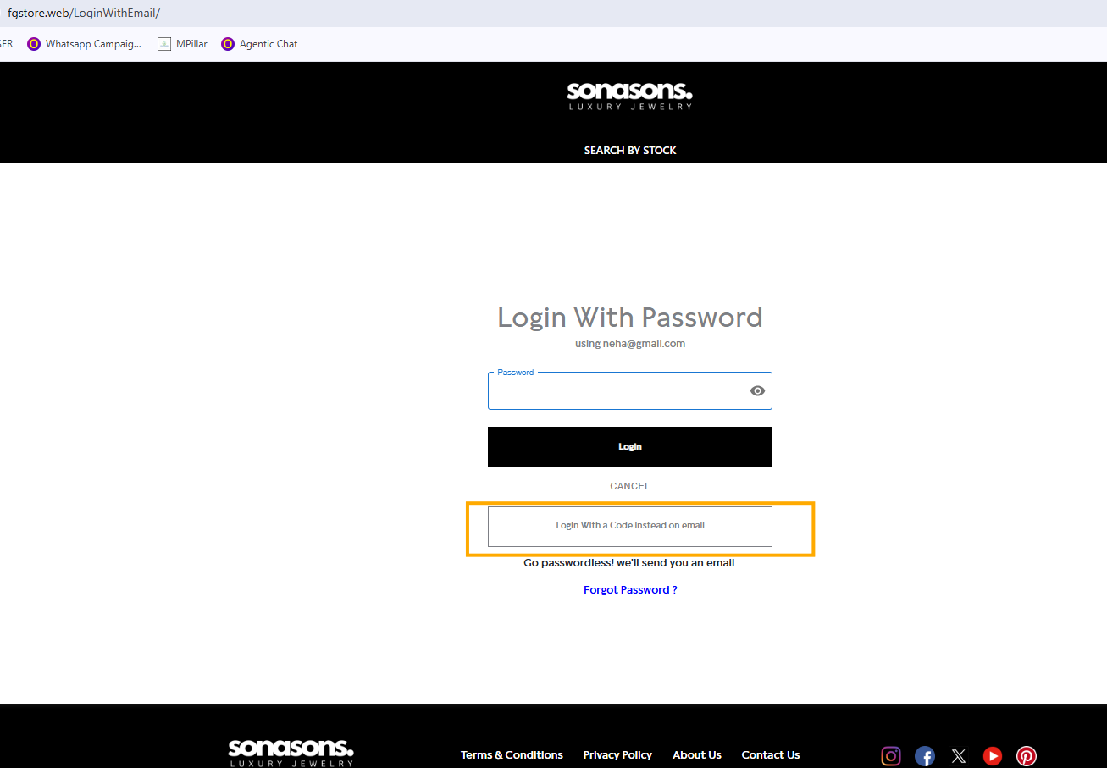 |  | Email working RAJAN need to check
WHATS APP | Customer new register | OTP- new credential mobile | Mobile MSG | OTP massage Template: **37 our verification code to authenticate your login.Do not share with anyone else. By entering this OTP, you accept our T&C and Privacy Policy. Thank you! [Your Company Name] |  |  | Mobile otp receive RAJAN need to check

If customer found alredy exist
Whast app | Mobile sign -Code |  | Mobile MSG | Hello {customer name -first name + last name}, {000000} is your Login Verification code. Use this otp for viewing Store. Thank you! Orail Services 9510213588 test.procatalog.in
Email |  |  | {company name} Login OTP Verification | Company Logo Dear {customer name}, {Company name }: OTP Verification Your account registration verification code is ****37. Use this OTP to complete your registration process. This is an automated email, please don't reply. Thank you! [Your Company Name]

